References
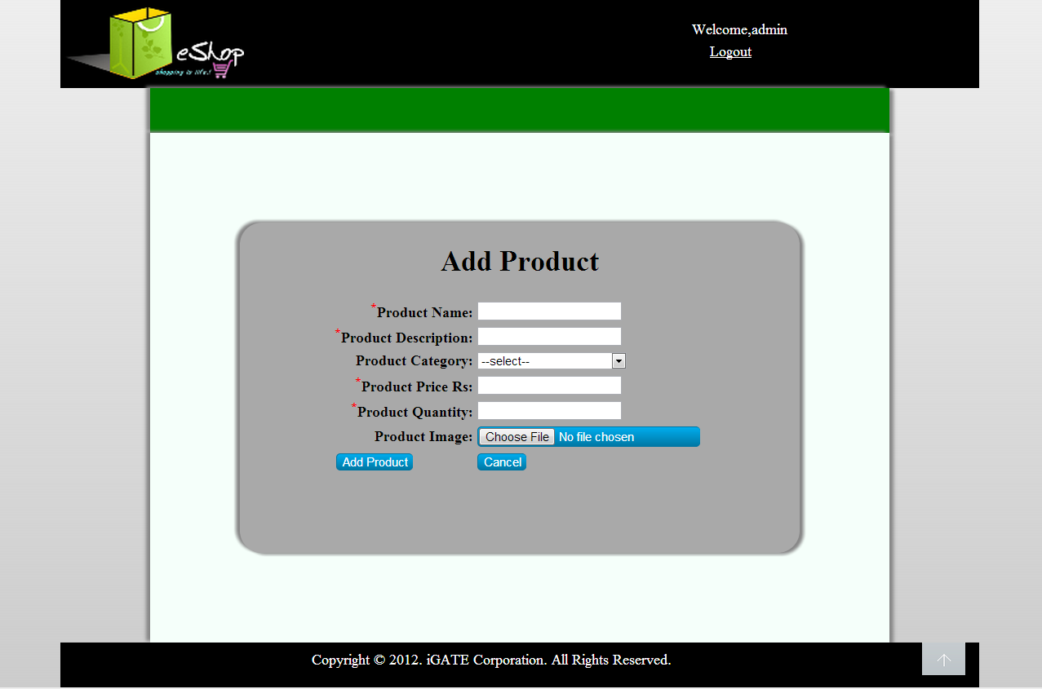
Reference Documents
# | Document name | Path and filename
1 | Repository reference | https://igteblrsvntng.igatecorp.com/svn/Oct3_Team1
2 | LLD_AddProductModule.doc | /Project Documents/Design Documents/LLD/LLD/LLD_AddProductModule.doc
3 | TraceabilityMatrix.xls | /Project Documents/Traceability matrix/TraceabilityMatrix.xls
4 | ECommerce-grp1 and grp3.doc | /Project Documents/Requirements/Case Study/ECommerce-grp1 and grp3.doc
5 | HLD | /Project Documents/Design Documents/HLD

Screen Shots / Report Layouts

 | 1. Admin Home page
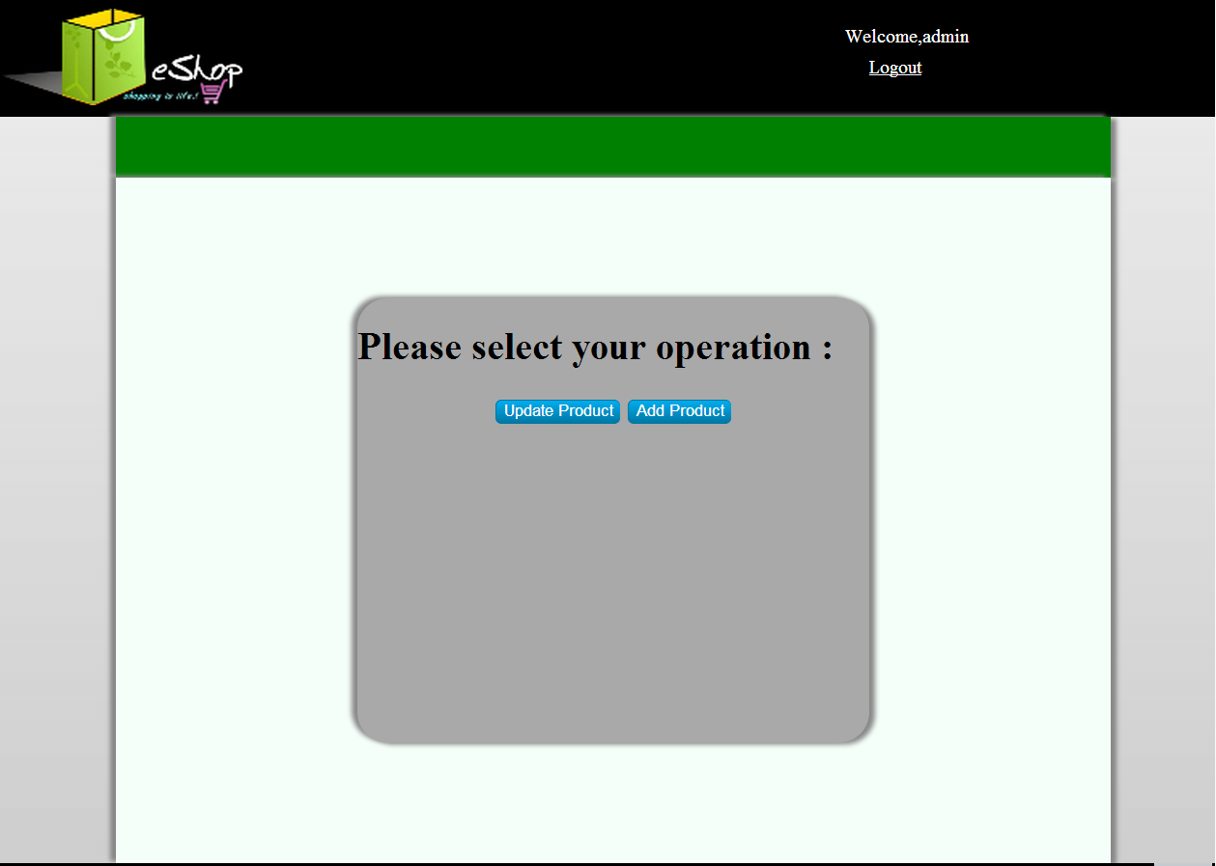

 | 2.Add Product Page

Generic Test Cases
Category | Data Type | Test Condition # | Test Condition | Test Case # | Test Case
Browser |  | TC19 | Validate Browser | 1 | Check whether Back Key should be enabled?
Browser |  | TC19 | Validate Browser | 2 | Check whether Forward Key should be enabled?
Browser |  | TC19 | Validate Browser | 3 | Try to open more browser windows using "Cntrl+N" Option
Browser |  | TC19 | Validate Browser | 4 | When trying to open the application by pasting an sub-screen url check whether the system is re-directing it to login page?
Browser |  | TC19 | Validate Browser | 5 | Check whether roll-back/commit are working as required when the processing is stopped in-between?
Browser |  | TC19 | Validate Browser | 6 | Check for look and feel when the same page is loaded with Netscape/ MS IE Versions
Browser |  | TC19 | Validate Browser | 7 | Validity of hyperlinks (for both internal and external links)
Browser |  | TC19 | Validate Browser | 8 | Check whether all the Internal links are relative
Browser |  | TC19 | Validate Browser | 9 | External links to be referenced in absolute URLs
Browser |  | TC19 | Validate Browser | 10 | HTTP 500 error when occurs is trapped and appropriate error message is thrown
Browser |  | TC19 | Validate Browser | 11 | HTTP 401 error when occurs is trapped and appropriate error message is thrown
Browser |  | TC19 | Validate Browser | 12 | HTTP 403 error when occurs is trapped and appropriate error message is thrown
Button | Cancel | TC18 | Validate <Button Name> | 1 | On Submit of Cancel Button, previous Screen/State should appear
Button | Reset | TC18 | Validate <Button Name> | 2 | On Submit of Reset Button, Check whether all the fields in the screen are set to initial state?
Button | Save | TC18 | Validate <Button Name> | 3 | On Submit of "Save" Button with empty fields check whether appropriate error message is displayed?
Button | Save | TC18 | Validate <Button Name> | 4 | On Submit of "Save" Button with Mandatory fields not filled up, check whether appropriate error message is displayed?
Button | Save | TC18 | Validate <Button Name> | 5 | On Submit of "Save" Button with valid data, check whether data is saved in database as requrired?
Checkbox |  | TC8 | Validate <Checkbox Label> | 1 | Check for Enable/Disable Requirement
Checkbox |  | TC8 | Validate <Checkbox Label> | 2 | Check for Mandatory Field requirement
Sensitive
Sensitive
Sensitive
Checkbox |  | TC8 | Validate <Checkbox Label> | 3 | Check for default checkbox that should be checked?
Combo Box |  | TC11 | Validate <Combo Box Label> | 1 | Check for Enable/Disable Requirement
Combo Box |  | TC11 | Validate <Combo Box Label> | 2 | Check for Mandatory Field requirement
Combo Box |  | TC11 | Validate <Combo Box Label> | 3 | Check for Empty Combo Box
Combo Box |  | TC11 | Validate <Combo Box Label> | 4 | Check for Whether all the data is listed in Combo Box
Combo Box |  | TC11 | Validate <Combo Box Label> | 5 | Check for Whether all the data that is listed in Combo Box is required sorting order?
Combo Box |  | TC11 | Validate <Combo Box Label> | 6 | Check for length of Combo Box meets the largest data value in the data source?
Combo Box |  | TC11 | Validate <Combo Box Label> | 7 | Check for default value that should be displayed?
Combo Box |  | TC11 | Validate <Combo Box Label> | 8 | Check for multi select requirement?
File |  | TC20 |  | 1 | User selects an incompatible file. Req: *.doc or *.rtf or *.txt
File |  | TC20 |  | 2 | Check with empty file
File |  | TC20 |  | 3 | Check with records [First few rows empty]
File |  | TC20 |  | 4 | Check with records [Records, blanks, records]
File |  | TC20 |  | 5 | Check with records [Max Records]
GUI |  | TC21 | Validate GUI Features | 1 | Check for Alignment and spacing between all fields, radio buttons and buttons.
GUI |  | TC21 | Validate GUI Features | 2 | Check Font and Font size
GUI |  | TC21 | Validate GUI Features | 3 | Check Font color
GUI |  | TC21 | Validate GUI Features | 4 | Check Background color
GUI |  | TC21 | Validate GUI Features | 5 | Check Screen layout
GUI |  | TC21 | Validate GUI Features | 6 | Check logo
GUI |  | TC21 | Validate GUI Features | 7 | Check whether all the hyper-links are valid and there are no broken or missing links
GUI |  | TC21 | Validate GUI Features | 8 | Check whether all local URLs are in relative form
GUI |  | TC21 | Validate GUI Features | 9 | check whether there are no spelling errors in text and images
GUI |  | TC21 | Validate GUI Features | 10 | Check whether all image path names are in relative form
GUI |  | TC21 | Validate GUI Features | 11 | Check whether the resizing of page automatically puts the scroll bars wherever needed
GUI |  | TC21 | Validate GUI Features | 12 | Check whether the focus is set on the first input field?
List Box |  | TC10 | Validate <List box Label> | 1 | Check for Enable/Disable Requirement
List Box |  | TC10 | Validate <List box Label> | 2 | Check for Mandatory Field requirement
List Box |  | TC10 | Validate <List box Label> | 3 | Check for Empty List box
List Box |  | TC10 | Validate <List box Label> | 4 | Check for Whether all the data is listed in list box
List Box |  | TC10 | Validate <List box Label> | 5 | Check for Whether all the data that is listed in list box is required sorting order?
List Box |  | TC10 | Validate <List box Label> | 6 | Check for length of List box meets the largest data value in the data source?
List Box |  | TC10 | Validate <List box Label> | 7 | Check for default value that should be displayed?
List Box |  | TC10 | Validate <List box Label> | 8 | Check for multi select requirement?
Mouseover |  | TC14 | Validate <Mouse Over> | 1 | Check whether Mouse over on Link changes to Hand mode?
Mouseover |  | TC14 | Validate <Mouse Over> | 2 | Check whether Mouse over on areas other than Link changes to Arrow?
Mouseover |  | TC14 | Validate <Mouse Over> | 3 | Check whether Mouse over on button changes the focus?
Radio Button |  | TC9 | Validate <Radio button Label> | 1 | Check for Enable/Disable Requirement
Radio Button |  | TC9 | Validate <Radio button Label> | 2 | Check for Mandatory Field requirement
Taborder |  | TC13 | Validate <Tab Order> | 1 | Check whether tab order is correct?
TextArea | Alphanumeric | TC12 | Validate <TextArea Label> | 1 | Check for Enable/Disable Requirement
TextArea | Alphanumeric | TC12 | Validate <TextArea Label> | 2 | Check for Mandatory Field requirement
TextArea | Alphanumeric | TC12 | Validate <TextArea Label> | 3 | Check for Spaces
TextArea | Alphanumeric | TC12 | Validate <TextArea Label> | 4 | Check for Special Characters (< ;> ; | ; \ ; ? ; : ; * ; / ; " )
TextArea | Alphanumeric | TC12 | Validate <TextArea Label> | 5 | Check for Max length of Data
TextArea | Alphanumeric | TC12 | Validate <TextArea Label> | 6 | Check for Alignment of Data
TextArea | Alphanumeric | TC12 | Validate <TextArea Label> | 7 | Check for number in First Digit?
TextArea | Alphanumeric | TC12 | Validate <TextArea Label> | 8 | Check for number in Last Digit?
TextArea | Alphanumeric | TC12 | Validate <TextArea Label> | 9 | Check for only numbers
TextArea | Alphanumeric | TC12 | Validate <TextArea Label> | 10 | Check for default value that should be displayed?
TextArea | Alphanumeric | TC12 | Validate <TextArea Label> | 11 | Check whether the entered length text is wrapping itself?
TextArea | Alphanumeric | TC12 | Validate <TextArea Label> | 12 | Check whether the white spaces at the end of text is getting trimmed?
TextArea | Alphanumeric | TC12 | Validate <TextArea Label> | 13 | Check whether the white spaces at the start of text is getting trimmed?
Textbox | Alphanumeric | TC3 | Validate <Textbox Label> | 1 | Check for Enable/Disable Requirement
Textbox | Alphanumeric | TC3 | Validate <Textbox Label> | 2 | Check for Mandatory Field requirement
Textbox | Alphanumeric | TC3 | Validate <Textbox Label> | 3 | Check for Spaces
Textbox | Alphanumeric | TC3 | Validate <Textbox Label> | 4 | Check for Special Characters (< ;> ; | ; \ ; ? ; : ; * ; / ; " )
Textbox | Alphanumeric | TC3 | Validate <Textbox Label> | 5 | Check for Max length of Data
Textbox | Alphanumeric | TC3 | Validate <Textbox Label> | 6 | Check for Alignment of Data
Textbox | Alphanumeric | TC3 | Validate <Textbox Label> | 7 | Check for number in First Digit?
Textbox | Alphanumeric | TC3 | Validate <Textbox Label> | 8 | Check for number in Last Digit?
Textbox | Alphanumeric | TC3 | Validate <Textbox Label> | 9 | Check for only numbers
Textbox | Alphanumeric | TC3 | Validate <Textbox Label> | 10 | Check for default value that should be displayed?
Textbox | Alphanumeric | TC3 | Validate <Textbox Label> | 11 | Check whether the entered length text is wrapping itself?
Textbox | Alphanumeric | TC3 | Validate <Textbox Label> | 12 | Check whether the white spaces at the end of text is getting trimmed?
Textbox | Alphanumeric | TC3 | Validate <Textbox Label> | 13 | Check whether the white spaces at the start of text is getting trimmed?
Textbox | Alphanumeric(eMail Address) | TC6 | Validate <Textbox Label> | 1 | Check for Enable/Disable Requirement
Textbox | Alphanumeric(eMail Address) | TC6 | Validate <Textbox Label> | 2 | Check for Mandatory Field requirement
Textbox | Alphanumeric(eMail Address) | TC6 | Validate <Textbox Label> | 3 | Check for Spaces
Textbox | Alphanumeric(eMail Address) | TC6 | Validate <Textbox Label> | 4 | Check for Special Characters (< ;> ; | ; \ ; ? ; : ; * ; / ; " )
Textbox | Alphanumeric(eMail Address) | TC6 | Validate <Textbox Label> | 5 | Check for Max length of Data
Textbox | Alphanumeric(eMail Address) | TC6 | Validate <Textbox Label> | 6 | Check for Alignment of Data
Textbox | Alphanumeric(eMail Address) | TC6 | Validate <Textbox Label> | 7 | Check for number in First Digit?
Textbox | Alphanumeric(eMail Address) | TC6 | Validate <Textbox Label> | 8 | Check for number in Last Digit?
Textbox | Alphanumeric(eMail Address) | TC6 | Validate <Textbox Label> | 9 | Check for only numbers
Textbox | Alphanumeric(eMail Address) | TC6 | Validate <Textbox Label> | 10 | Check for default value that should be displayed?
Textbox | Alphanumeric(Password) | TC5 | Validate <Textbox Label> | 1 | Check for Enable/Disable Requirement
Textbox | Alphanumeric(Password) | TC5 | Validate <Textbox Label> | 2 | Check for Mandatory Field requirement
Textbox | Alphanumeric(Password) | TC5 | Validate <Textbox Label> | 3 | Check for Spaces
Textbox | Alphanumeric(Password) | TC5 | Validate <Textbox Label> | 4 | Check for Special Characters (< ;> ; | ; \ ; ? ; : ; * ; / ; " )
Textbox | Alphanumeric(Password) | TC5 | Validate <Textbox Label> | 5 | Check for Max length of Data
Textbox | Alphanumeric(Password) | TC5 | Validate <Textbox Label> | 6 | Check for Alignment of Data
Textbox | Alphanumeric(Password) | TC5 | Validate <Textbox Label> | 7 | Check for number in First Digit?
Textbox | Alphanumeric(Password) | TC5 | Validate <Textbox Label> | 8 | Check for number in Last Digit?
Textbox | Alphanumeric(Password) | TC5 | Validate <Textbox Label> | 9 | Check for only numbers
Textbox | Alphanumeric(Password) | TC5 | Validate <Textbox Label> | 10 | Check whether password is masked
Textbox | Alphanumeric(Password) | TC5 | Validate <Textbox Label> | 11 | Check whether password is valid as per database
Textbox | Alphanumeric(URL) | TC7 | Validate <Textbox Label> | 1 | Check for Enable/Disable Requirement
Textbox | Alphanumeric(URL) | TC7 | Validate <Textbox Label> | 2 | Check for Mandatory Field requirement
Textbox | Alphanumeric(URL) | TC7 | Validate <Textbox Label> | 3 | Check for Spaces
Textbox | Alphanumeric(URL) | TC7 | Validate <Textbox Label> | 4 | Check for Special Characters (< ;> ; | ; \ ; ? ; : ; * ; / ; " )
Textbox | Alphanumeric(URL) | TC7 | Validate <Textbox Label> | 5 | Check for Max length of Data
Textbox | Alphanumeric(URL) | TC7 | Validate <Textbox Label> | 6 | Check for Alignment of Data
Textbox | Alphanumeric(URL) | TC7 | Validate <Textbox Label> | 7 | Check for number in First Digit?
Textbox | Alphanumeric(URL) | TC7 | Validate <Textbox Label> | 8 | Check for number in Last Digit?
Textbox | Alphanumeric(URL) | TC7 | Validate <Textbox Label> | 9 | Check for only numbers
Textbox | Alphanumeric(URL) | TC7 | Validate <Textbox Label> | 10 | Check for default value that should be displayed?
Textbox | Character | TC4 | Validate <Textbox Label> | 1 | Check for Enable/Disable Requirement
Textbox | Character | TC4 | Validate <Textbox Label> | 2 | Check for Mandatory Field requirement
Textbox | Character | TC4 | Validate <Textbox Label> | 3 | Check for Spaces
Textbox | Character | TC4 | Validate <Textbox Label> | 4 | Check for Special Characters (< ;> ; | ; \ ; ? ; : ; * ; / ; " )
Textbox | Character | TC4 | Validate <Textbox Label> | 5 | Check for Max length of Data
Textbox | Character | TC4 | Validate <Textbox Label> | 6 | Check for Alignment of Data
Textbox | Character | TC4 | Validate <Textbox Label> | 7 | Check for only numbers
Textbox | Character | TC4 | Validate <Textbox Label> | 8 | Check for default value that should be displayed?
Textbox | Character | TC4 | Validate <Textbox Label> | 9 | Check whether the entered length text is wrapping itself?
Textbox | Character | TC4 | Validate <Textbox Label> | 10 | Check whether the white spaces at the end of text is getting trimmed?
Textbox | Character | TC4 | Validate <Textbox Label> | 11 | Check whether the white spaces at the start of text is getting trimmed?
Textbox | Date | TC15 | Validate <Date Field Name> | 1 | Check for Enable/Disable Requirement
Textbox | Date | TC15 | Validate <Date Field Name> | 2 | Check for Mandatory Field requirement
Textbox | Date | TC15 | Validate <Date Field Name> | 3 | Check for Spaces
Textbox | Date | TC15 | Validate <Date Field Name> | 4 | Check for Special Characters (< ;> ; | ; \ ; ? ; : ; * ; / ; " )
Textbox | Date | TC15 | Validate <Date Field Name> | 5 | Check for Max length of Data
Textbox | Date | TC15 | Validate <Date Field Name> | 6 | Check for Alignment of Data
Textbox | Date | TC15 | Validate <Date Field Name> | 7 | Check for default value that should be displayed?
Textbox | Date | TC15 | Validate <Date Field Name> | 8 | Check for Valid Day
Textbox | Date | TC15 | Validate <Date Field Name> | 9 | Check for Valid Month
Textbox | Date | TC15 | Validate <Date Field Name> | 10 | Check for Valid Year
Textbox | Date | TC15 | Validate <Date Field Name> | 11 | Check for Leap Year
Textbox | Date | TC15 | Validate <Date Field Name> | 12 | Check for Date format as applicable
Textbox | Decimal | TC2 | Validate <Textbox Label> | 1 | Check for Enable/Disable Requirement
Textbox | Decimal | TC2 | Validate <Textbox Label> | 2 | Check for Mandatory Field requirement
Textbox | Decimal | TC2 | Validate <Textbox Label> | 3 | Check for Spaces
Textbox | Decimal | TC2 | Validate <Textbox Label> | 4 | Check for Alphanumeric characters
Textbox | Decimal | TC2 | Validate <Textbox Label> | 5 | Check for Special Characters (< ;> ; | ; \ ; ? ; : ; * ; / ; " )
Textbox | Decimal | TC2 | Validate <Textbox Label> | 6 | Check for Length of Data (Positive Value)
Textbox | Decimal | TC2 | Validate <Textbox Label> | 7 | Check for valid data : 0 [Positive Value]
Textbox | Decimal | TC2 | Validate <Textbox Label> | 8 | Check for valid data : Min Value [Positive Value]
Textbox | Decimal | TC2 | Validate <Textbox Label> | 9 | Check for valid data : Max Value [Positive Value]
Textbox | Decimal | TC2 | Validate <Textbox Label> | 10 | Check for Length of Data (Negative Value)
Textbox | Decimal | TC2 | Validate <Textbox Label> | 11 | Check for valid data : 0 [Negative Value]
Textbox | Decimal | TC2 | Validate <Textbox Label> | 12 | Check for valid data : Min Value [Negative Value]
Textbox | Decimal | TC2 | Validate <Textbox Label> | 13 | Check for valid data : Max Value [Negative Value]
Textbox | Decimal | TC2 | Validate <Textbox Label> | 14 | Check for Alignment of Data
Textbox | Decimal | TC2 | Validate <Textbox Label> | 15 | Check for Data Overflow [Especially for SUM Fields]
Textbox | Decimal | TC2 | Validate <Textbox Label> | 16 | Check for Data Range
Textbox | Decimal | TC2 | Validate <Textbox Label> | 17 | Check for default value that should be displayed?
Textbox | From_Date | TC16 | Validate <Date Field Name> | 1 | Check for Enable/Disable Requirement
Textbox | From_Date | TC16 | Validate <Date Field Name> | 2 | Check for Mandatory Field requirement
Textbox | From_Date | TC16 | Validate <Date Field Name> | 3 | Check for Spaces
Textbox | From_Date | TC16 | Validate <Date Field Name> | 4 | Check for Special Characters (< ;> ; | ; \ ; ? ; : ; * ; / ; " )
Textbox | From_Date | TC16 | Validate <Date Field Name> | 5 | Check for Max length of Data
Textbox | From_Date | TC16 | Validate <Date Field Name> | 6 | Check for Alignment of Data
Textbox | From_Date | TC16 | Validate <Date Field Name> | 7 | Check for default value that should be displayed?
Textbox | From_Date | TC16 | Validate <Date Field Name> | 8 | Check for Valid Day
Textbox | From_Date | TC16 | Validate <Date Field Name> | 9 | Check for Valid Month
Textbox | From_Date | TC16 | Validate <Date Field Name> | 10 | Check for Valid Year
Textbox | From_Date | TC16 | Validate <Date Field Name> | 11 | Check for Leap Year
Textbox | From_Date | TC16 | Validate <Date Field Name> | 12 | Check for Date format as applicable
Textbox | From_Date | TC16 | Validate <Date Field Name> | 13 | Check whether From_Date <= To_date?
Textbox | From_Date | TC16 | Validate <Date Field Name> | 14 | Check Whether From_Date <= Current Date?
Textbox | Numeric | TC1 | Validate <Textbox Label> | 1 | Check for Enable/Disable Requirement
Textbox | Numeric | TC1 | Validate <Textbox Label> | 2 | Check for Mandatory Field requirement
Textbox | Numeric | TC1 | Validate <Textbox Label> | 3 | Check for Spaces
Textbox | Numeric | TC1 | Validate <Textbox Label> | 4 | Check for Alphanumeric characters
Textbox | Numeric | TC1 | Validate <Textbox Label> | 5 | Check for Special Characters (< ;> ; | ; \ ; ? ; : ; * ; / ; " )
Textbox | Numeric | TC1 | Validate <Textbox Label> | 6 | Check for Length of Data (Positive Value)
Textbox | Numeric | TC1 | Validate <Textbox Label> | 7 | Check for valid data : 0 [Positive Value]
Textbox | Numeric | TC1 | Validate <Textbox Label> | 8 | Check for valid data : Min Value [Positive Value]
Textbox | Numeric | TC1 | Validate <Textbox Label> | 9 | Check for valid data : Max Value [Positive Value]
Textbox | Numeric | TC1 | Validate <Textbox Label> | 10 | Check for Length of Data (Negative Value)
Textbox | Numeric | TC1 | Validate <Textbox Label> | 11 | Check for valid data : 0 [Negative Value]
Textbox | Numeric | TC1 | Validate <Textbox Label> | 12 | Check for valid data : Min Value [Negative Value]
Textbox | Numeric | TC1 | Validate <Textbox Label> | 13 | Check for valid data : Max Value [Negative Value]
Textbox | Numeric | TC1 | Validate <Textbox Label> | 14 | Check for Alignment of Data
Textbox | Numeric | TC1 | Validate <Textbox Label> | 15 | Check for Data Overflow [Especially for SUM Fields]
Textbox | Numeric | TC1 | Validate <Textbox Label> | 16 | Check for Data Range
Textbox | Numeric | TC1 | Validate <Textbox Label> | 17 | Check for default value that should be displayed?
Textbox | To_Date | TC17 | Validate <Date Field Name> | 1 | Check for Enable/Disable Requirement
Textbox | To_Date | TC17 | Validate <Date Field Name> | 2 | Check for Mandatory Field requirement
Textbox | To_Date | TC17 | Validate <Date Field Name> | 3 | Check for Spaces
Textbox | To_Date | TC17 | Validate <Date Field Name> | 4 | Check for Special Characters (< ;> ; | ; \ ; ? ; : ; * ; / ; " )
Textbox | To_Date | TC17 | Validate <Date Field Name> | 5 | Check for Max length of Data
Textbox | To_Date | TC17 | Validate <Date Field Name> | 6 | Check for Alignment of Data
Textbox | To_Date | TC17 | Validate <Date Field Name> | 7 | Check for default value that should be displayed?
Textbox | To_Date | TC17 | Validate <Date Field Name> | 8 | Check for Valid Day
Textbox | To_Date | TC17 | Validate <Date Field Name> | 9 | Check for Valid Month
Textbox | To_Date | TC17 | Validate <Date Field Name> | 10 | Check for Valid Year
Textbox | To_Date | TC17 | Validate <Date Field Name> | 11 | Check for Leap Year
Textbox | To_Date | TC17 | Validate <Date Field Name> | 12 | Check for Date format as applicable
Textbox | To_Date | TC17 | Validate <Date Field Name> | 13 | Check whether To_Date >= From_date
Textbox | To_Date | TC17 | Validate <Date Field Name> | 14 | Check whether To_Date >= Current Date

